VRPN Mapping
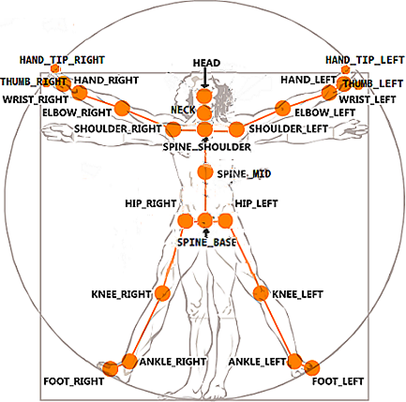
Kinect v2 Joints
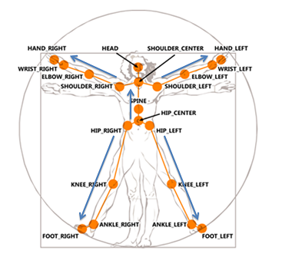
Kinect v1 Joints
VRPN Sensor | OpenNI Joint | Kinect v1 Joint | Kinect v2 Joint
0 | Head | Head | Head
1 | Neck | Shoulder Center | Spine Shoulder
2 | Torso | Spine | Spine Mid
3 | Waist | Hip Center | Spine Base
4 | Left Collar
5 | Left Shoulder | Shoulder Left | Shoulder Left
6 | Left Elbow | Elbow Left | Elbow Left
7 | Left Wrist | Wrist Left | Wrist Left
8 | Left Hand | Hand Left | Hand Left
9 | Left Fingertip |  | Hand Tip Left
10 | Right Collar
11 | Right Shoulder | Shoulder Right | Shoulder Right
12 | Right Elbow | Elbow Right | Elbow Right
13 | Right Wrist | Wrist Right | Wrist Right
14 | Right Hand | Hand Right | Hand Right
15 | Right Fingertip |  | Hand Tip Right
16 | Left Hip | Hip Left | Hip Left
17 | Left Knee | Knee Left | Knee Left
18 | Left Ankle | Ankle Left | Ankle Left
19 | Left Foot | Foot Left | Foot Left | Note: Joints numbers are picked to match the FAAST toolkit for interoperability.
20 | Right Hip | Hip Right | Hip Right
21 | Right Knee | Knee Right | Knee Right
22 | Right Ankle | Ankle Right | Ankle Right
23 | Right Foot | Foot Right | Foot Right
24 |  |  | Neck
25 |  |  | Thumb Left
26 |  |  | Thumb Right

Enum Mapping
Kinect v2 Joints
Kinect v1 Joints
Kinect Base |  |  | Kinect v1 |  | Kinect v2 Joint
Name | Alt Name | Number | Name | Number | Name | Number
HipCenter | SpineBase | 0 | HipCenter | 0 | SpineBase | 0
Spine | SpineMid | 1 | Spine | 1 | SpineMid | 1
ShoulderCenter | SpineShoulder | 2 | ShoulderCenter | 2 | SpineShoulder | 20
Head |  | 3 | Head | 3 | Head | 3
ShoulderLeft |  | 4 | ShoulderLeft | 4 | ShoulderLeft | 4
ElbowLeft |  | 5 | ElbowLeft | 5 | ElbowLeft | 5
WristLeft |  | 6 | WristLeft | 6 | WristLeft | 6
HandLeft |  | 7 | HandLeft | 7 | HandLeft | 7
ShoulderRight |  | 8 | ShoulderRight | 8 | ShoulderRight | 8
ElbowRight |  | 9 | ElbowRight | 9 | ElbowRight | 9
WristRight |  | 10 | WristRight | 10 | WristRight | 10
HandRight |  | 11 | HandRight | 11 | HandRight | 11
HipLeft |  | 12 | HipLeft | 12 | HipLeft | 12
KneeLeft |  | 13 | KneeLeft | 13 | KneeLeft | 13
AnkleLeft |  | 14 | AnkleLeft | 14 | AnkleLeft | 14
FootLeft |  | 15 | FootLeft | 15 | FootLeft | 15
HipRight |  | 16 | HipRight | 16 | HipRight | 16
KneeRight |  | 17 | KneeRight | 17 | KneeRight | 17
AnkleRight |  | 18 | AnkleRight | 18 | AnkleRight | 18
FootRight |  | 19 | FootRight | 19 | FootRight | 19 | Note: Joints numbers are picked to match the FAAST toolkit for interoperability.
Neck |  | 20 |  |  | Neck | 2
HandTipLeft |  | 21 |  |  | HandTipLeft | 21
ThumbLeft |  | 22 |  |  | ThumbLeft | 22
HandTipRight |  | 23 |  |  | HandTipRight | 23
ThumbRight |  | 24 |  |  | ThumbRight | 24

